E1.S BP Block Diagram
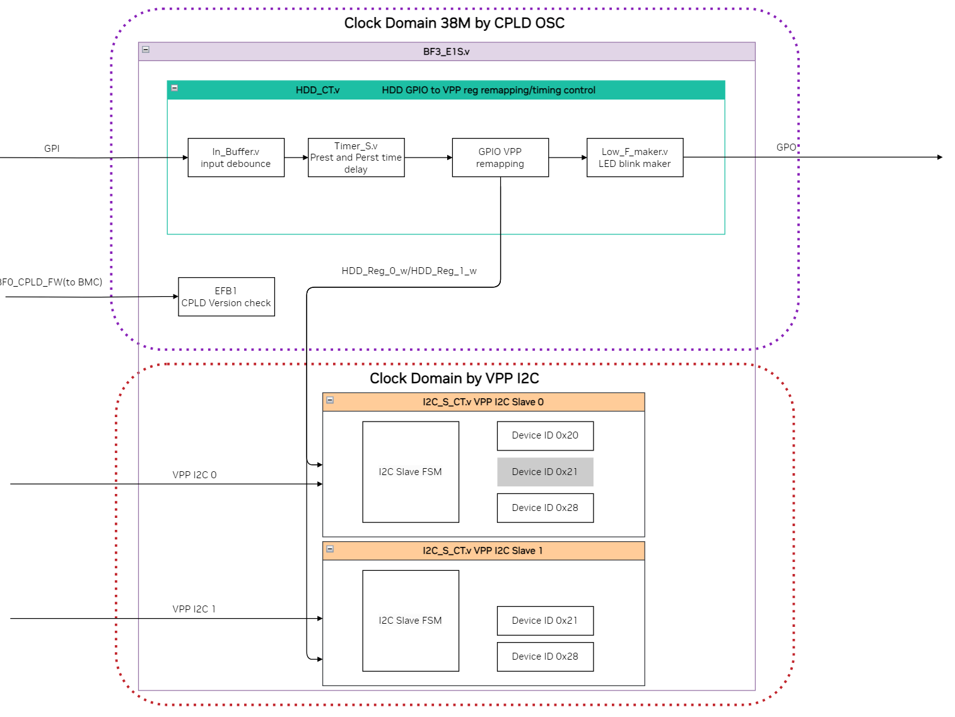

IPEX BB Block Diagarm
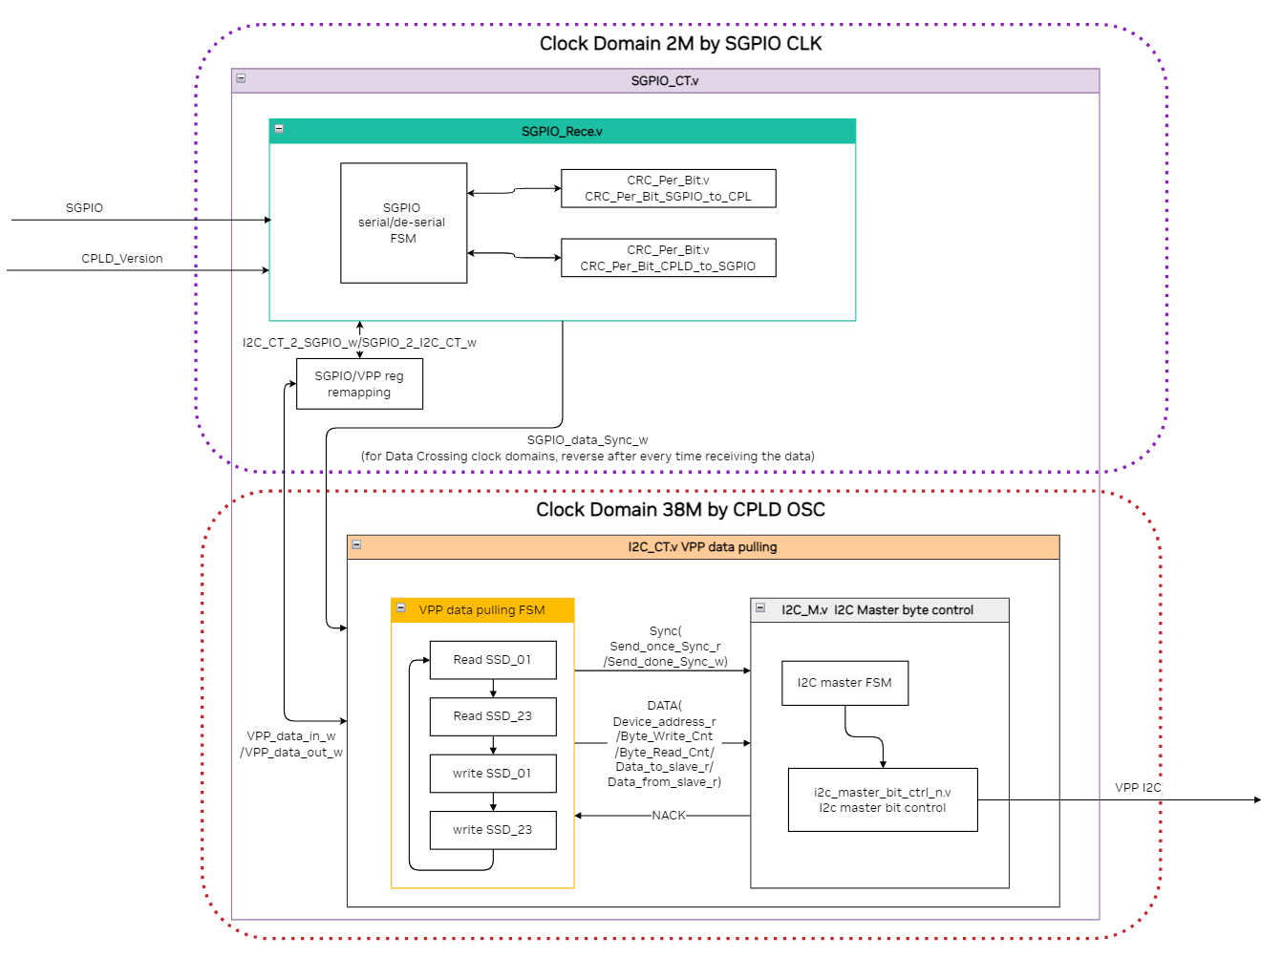

BMC Path I2C Regtable
BMC I2C path is using lattice EFB
http://www.latticesemi.com/view_document?document_id=39086
http://www.latticesemi.com/view_document?document_id=46300

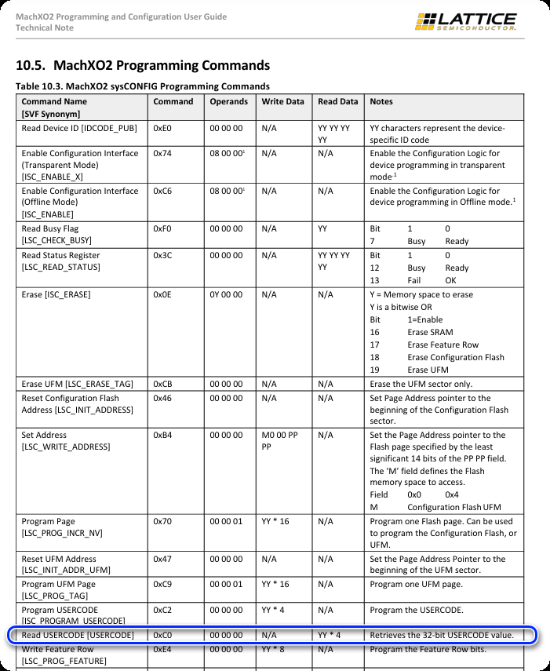
 | For IPEX BD FW version check
 | “i2ctransfer -y 4 w3@0x44 0xc0 0x0 0x0 r4”
 | With the FW:GB_IPEX_V01.03.04.jed
 | Return Val should be 0x00 0x10 0x01 0x03
 | 0x10->IPEX FW
 | 0x01->Major version 0x01
 | 0x03->Minor version 0x03

 | For E1.S FW version check
 | “i2ctransfer -y 4 w3@0x40 0xc0 0x0 0x0 r4”

 | Return Val should be 0x00 0x0B 0x01 0x0F
 | 0x0B->E1.S Version B
 | 0x01->Major version 0x01
 | 0x0F->Minor version 0x0F

